Instructions & Info
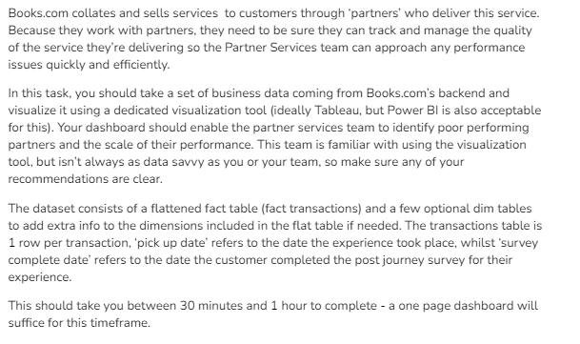
Business Task - Data visualization for operational business use

